Sheet1
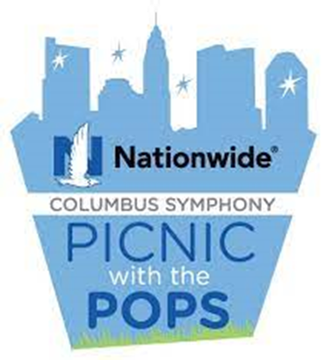
2026 Picnic with the Pops Order Form

Night Show of Contact: |  |  | _____________________________
Phone:____________ |  |  |  | Table Number:_______
Email Receipt to:______________________________

 | Select Your Concert

 | 2026-06-13 |  |  | Ledisi
 | 2026-06-20 |  |  | Wyclef Jean
 | 2026-06-27 |  |  | Windborne's Music of Tom Petty
 | 2026-07-11 |  |  | Guster
 | 2026-07-18 |  |  | LeAnn Rimes
 | 2026-07-25 |  |  | The Alan Parsons Live Project
 | 2026-07-31 |  |  | OSU Marching Band
 | 2026-08-01 |  |  | OSU Marching Band
<<<<<< Please fill out 1 sheet per concert >>>>>>
 | Select Your Beverages

Quantity |  | White Wine (Bottle)
 | "Robert Mondavi Coastal" Chardonnay |  |  |  | x | $34.00 | = $ | $-
 | "Kim Crawford" Sauvignon Blanc |  |  |  | x | $34.00 | = $ | $-
 | "Meiomi" Chardonnay |  |  |  | x | $37.00 | = $ | $-

Quantity |  | Red Wine (Bottle)
 | "McManus" Pinot Noir |  |  |  | x | $34.00 | = $ | $-
 | "Robert Mondavi Coastal" Cabernet Sauvignon |  |  |  | x | $34.00 | = $ | $-
 | "Meiomi" Pinot Noir |  |  |  | x | $37.00 | = $ | $-

Quantity |  | Beer (6 Pack-16 ounce cans)
 | Bud Light |  |  |  | x | $27.00 | = $ | $-
 | Yeungling |  |  |  | x | $27.00 | = $ | $-

Quantity |  | Non Alcoholic (6 Pack Bottles) - check your choice
 |  | Pepsi | Diet Pepsi | Starry | x | $18.00 | = $ | $-
 | Water |  |  |  | x | $18.00 | = $ | $-
 |  | Sweet Tea | Unsweeten Tea |  | x | $18.00 | = $ | $-

 |  |  |  |  |  | Subtotal | $ | -
 |  |  |  |  |  | Service Fee 10% | = $ | -
 | CAPA will provide ice and cooler. For all chilled products add $12.50. (enter "1") |  |  |  |  |  | $ | -

 |  | Payment |  |  |  | Total | $ | -
Please submit your order no later than 5PM on the Wednesday prior to the concert
Email orders to: dwiese@capa.com Questions? Call Doug @ 614-361-3454

 | Please bill me via company email:

 | Email Address:

 | Please charge my credit card:

Card # |  |  |  |  | Exp. Date

Cardholder's Name:

Signature:

Billing Address:

Phone:

